Team roster
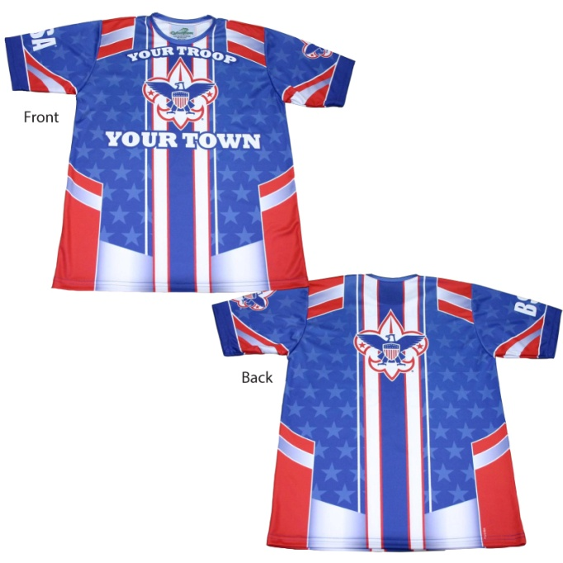
 |  | Forms of Payment Accepted:
 |  | paypal, visa, mastercard, check, cash
 |  | credit card #:
 |  | expiration:
 |  | code:
 |  | name on card:

 |  | Shipping Methods:
 |  | fedex, usps priority
 |  | lead time on jerseys is 4-6 weeks from artwork approval

2012/2013 BSA Performance Tee Order Form
Troop Name / Number |  | Dave Austin/ Troop 188
SHIPPING ADDRESS line1 |  | 914 SE Chaparal Drive
SHIPPING ADDRESS line2 |  | Ankeny, IA 50021

TROOP Scoutmaster/Assistant Scoutmaster/Committee Member |  |  | PHONE NUMBER | EMAIL ADDRESS
Dave Austin |  |  | 5155353298 | austindf@msn.com
 |  |  |  | SALESPERSON: Cindy Jeans 510 455-6405
 |  | JERSEY SIZES AVAILABLE: YOUTH: S,M,L ADULT: XS,S,M,L,XL,2XL,3XL,4XL
ITEM | NAME | JERSEY SIZE | QTY | COST | AMOUNT
BSA Tech Tee |  |  |  |  | $0.00
 | S, M, L, XL, XXL (XXL sample has 3/4 sleeve length as a sample. Shirts will be short sleeve) |  |  |  | $0.00
 |  |  |  |  | $0.00
 |  |  |  |  | $0.00
 |  |  |  |  | $0.00
 |  |  |  |  | $0.00
 |  |  |  |  | $0.00
 |  |  |  |  | $0.00
 |  |  |  |  | $0.00
 |  |  |  |  | $0.00

 |  |  |  | TOTAL: | #NAME?
 |  | OFFICE USE ONLY BELOW
TEMPLATE TYPE |  |  | DATE NEEDED | ART APPROVED? | SHIPPING METHOD
TECHNICAL TEE

AUTOMATED RIDER COUNT |  | NOTES:
1

